By Article
Reference | Image | Designation | Colour | Sports Category | Product Division | Product Group | Gender | Age Group | Delivery | Qty | RRP
BB1935 | 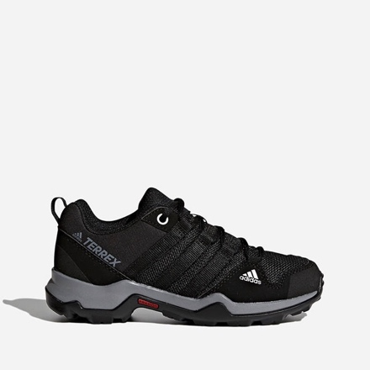 | TERREX AX2R K | CBLACK/CBLACK/VISGRE | HIKING | FOOTWEAR | Shoes | UNISEX | KIDS | READY IN WAREHOUSE | 1134 | $80.00
EG4959 | 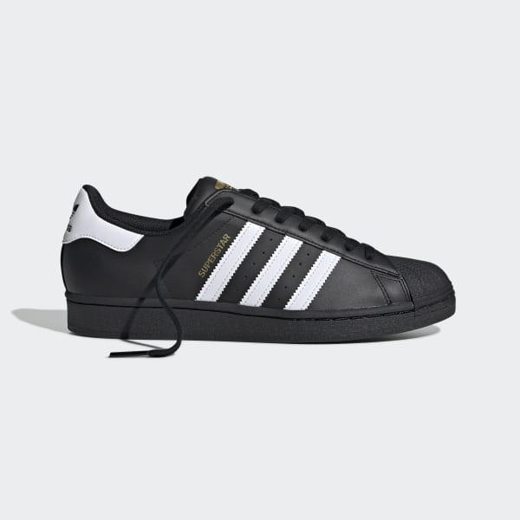 | SUPERSTAR | CBLACK/FTWWHT/CBLACK | ORIGINALS | FOOTWEAR | Shoes | MALE | ADULT | READY IN WAREHOUSE | 100 | $95.00
EH3230 | 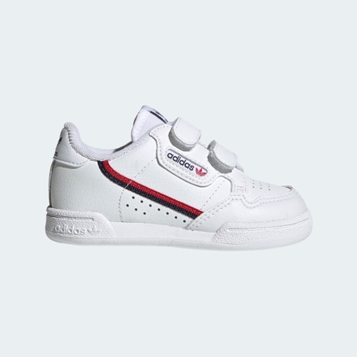 | CONTINENTAL 80 CF I | FTWWHT/FTWWHT/SCARLE | ORIGINALS | FOOTWEAR | Shoes | UNISEX | INFANT | READY IN WAREHOUSE | 61 | $40.00
FX5090 | 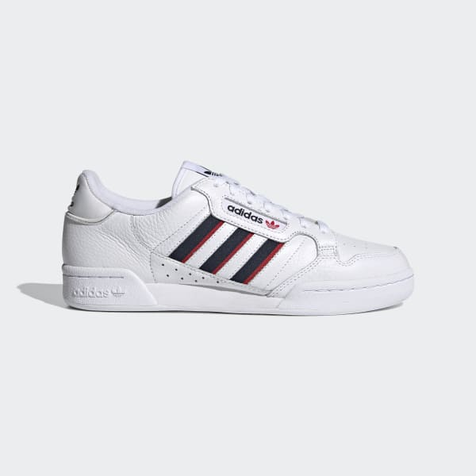 | CONTINENTAL 80 STRI | FTWWHT/CONAVY/VIVRED | ORIGINALS | FOOTWEAR | Shoes | MALE | ADULT | READY IN WAREHOUSE | 349 | $95.00
FX5119 | 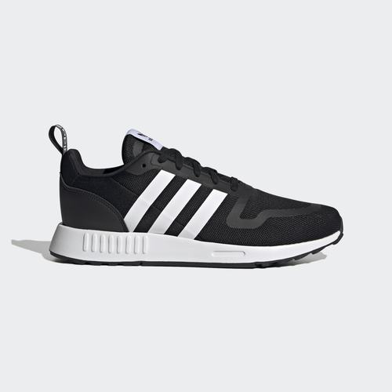 | MULTIX | CBLACK/FTWWHT/CBLACK | ORIGINALS | FOOTWEAR | Shoes | MALE | ADULT | READY IN WAREHOUSE | 1000 | $90.00
FX6400 | 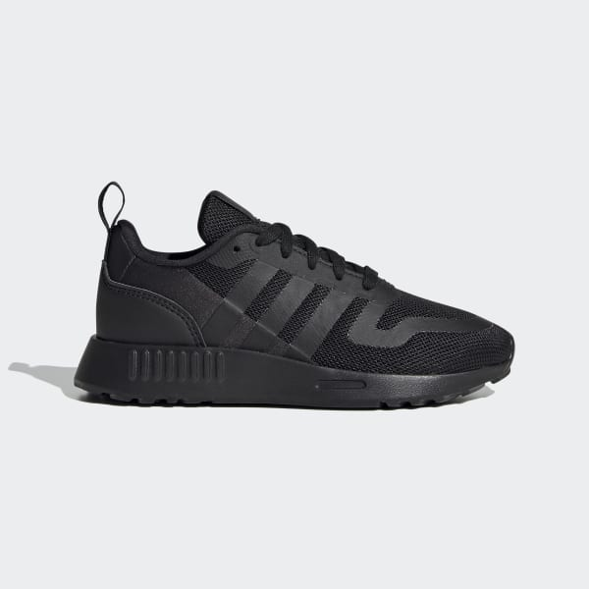 | MULTIX C | CBLACK/CBLACK/CBLACK | ORIGINALS | FOOTWEAR | Shoes | UNISEX | KIDS | READY IN WAREHOUSE | 200 | $60.00
FY5943 | 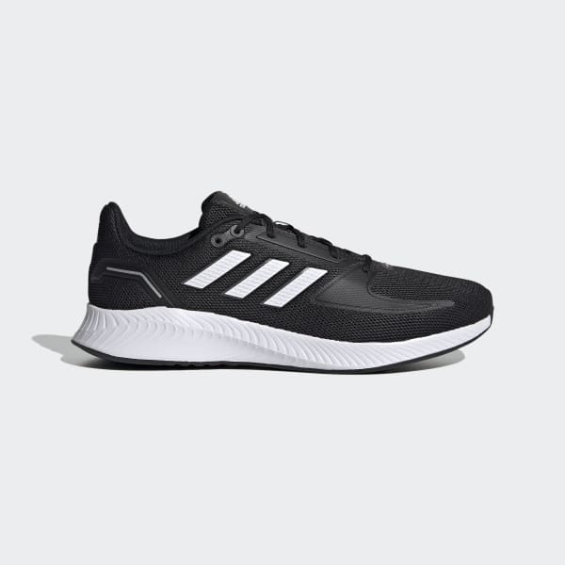 | RUNFALCON 2.0 | CBLACK/FTWWHT/GRESIX | RUNNING | FOOTWEAR | Shoes | MALE | ADULT | READY IN WAREHOUSE | 597 | $60.00
FZ2225 | 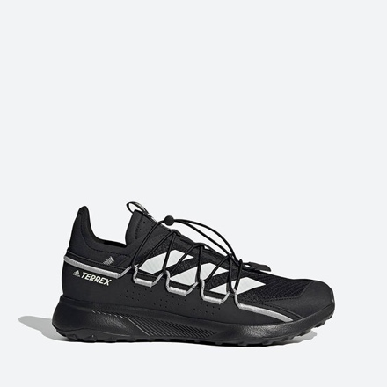 | TERREX VOYAGER 21 | CBLACK/CWHITE/GRETWO | HIKING | FOOTWEAR | Shoes | MALE | ADULT | READY IN WAREHOUSE | 193 | $100.00
G58096 | 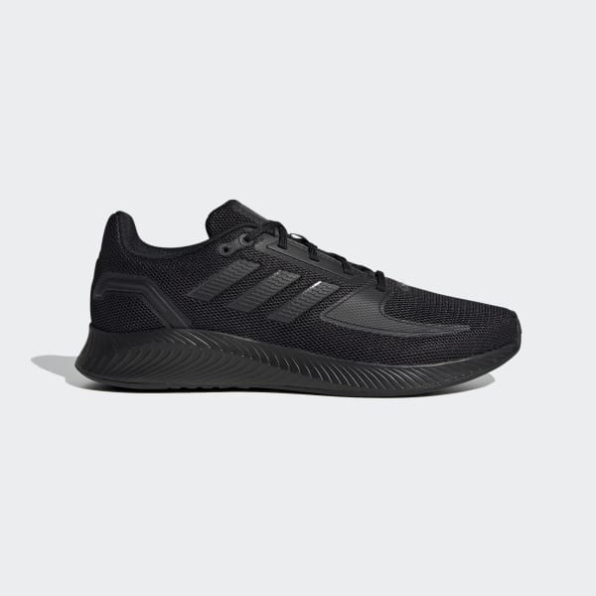 | RUNFALCON 2.0 | CBLACK/CBLACK/GRESIX | RUNNING | FOOTWEAR | Shoes | MALE | ADULT | READY IN WAREHOUSE | 800 | $60.00
GW4138 | 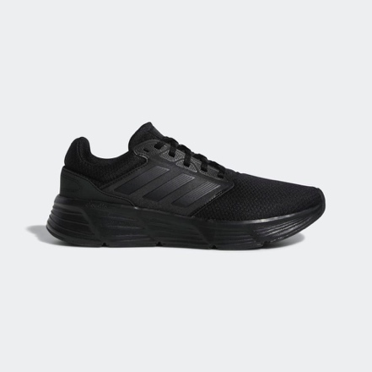 | GALAXY 6 | CBLACK/CBLACK/CBLACK | RUNNING | FOOTWEAR | Shoes | MALE | ADULT | READY IN WAREHOUSE | 328 | $65.00
GW6643 |  | CONTINENTAL 80 STRI | CBLACK/FTWWHT/VIVRED | ORIGINALS | FOOTWEAR | Shoes | UNISEX | JUNIOR | READY IN WAREHOUSE | 250 | $75.00
GW8176 | 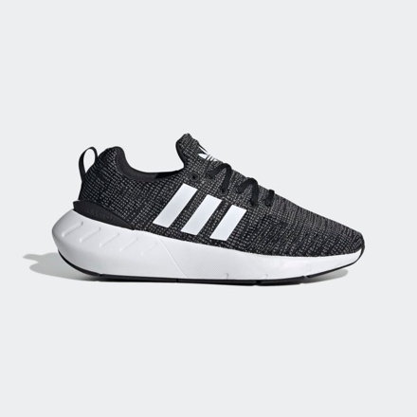 | SWIFT RUN 22 J | CBLACK/FTWWHT/GREFIV | ORIGINALS | FOOTWEAR | Shoes | UNISEX | JUNIOR | READY IN WAREHOUSE | 250 | $70.00
GW9358 | 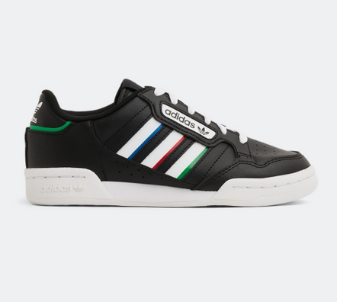 | RETROPY F2 | CBLACK/CBLACK/GRESIX | ORIGINALS | FOOTWEAR | Shoes | MALE | ADULT | READY IN WAREHOUSE | 350 | $90.00
GX4243 | 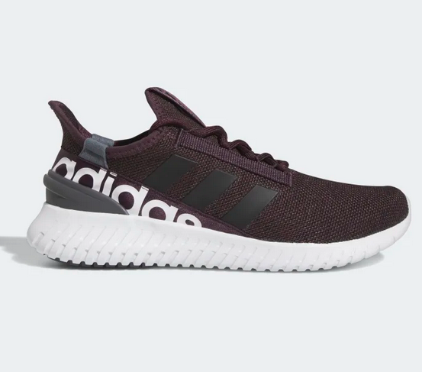 | KAPTIR 2.0 | SHAMAR/CBLACK/FTWWHT | RUNNING | FOOTWEAR | Shoes | MALE | ADULT | READY IN WAREHOUSE | 370 | $85.00
GY0852 | 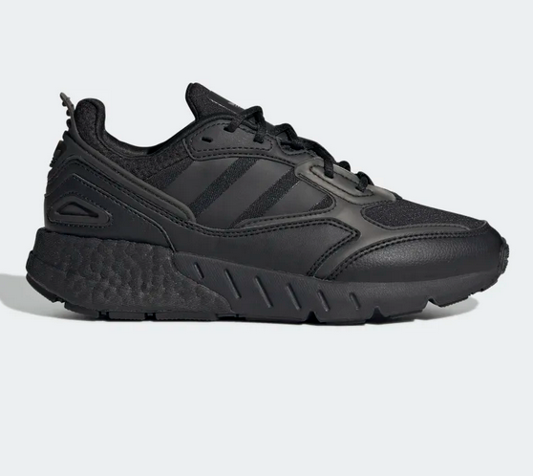 | ZX 1K BOOST 2.0 J | CBLACK/CBLACK/CBLACK | ORIGINALS | FOOTWEAR | Shoes | UNISEX | JUNIOR | READY IN WAREHOUSE | 100 | $90.00
GW4068 | 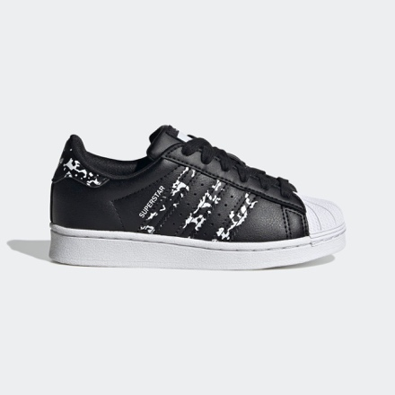 | SUPERSTAR C | BLACK/BLACK/WHITE | ORIGINALS | FOOTWEAR | Shoes | UNISEX | KIDS | READY IN WAREHOUSE | 70 | $70.00
GW4072 |  | SUPERSTAR EL I | BLACK/BLACK/WHITE | ORIGINALS | FOOTWEAR | Shoes | UNISEX | INFANT | READY IN WAREHOUSE | 70 | $60.00
GX1873 | 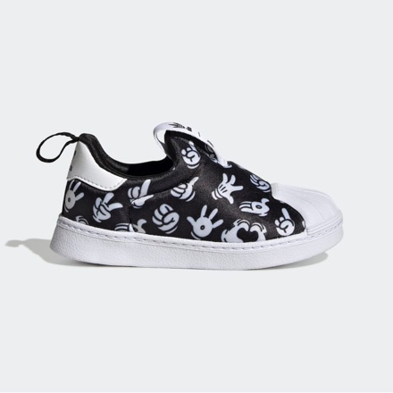 | SUPERSTAR 360 I | BLACK/BLACK/WHITE | ORIGINALS | FOOTWEAR | Shoes | UNISEX | INFANT | READY IN WAREHOUSE | 70 | $55.00
BS5819 | 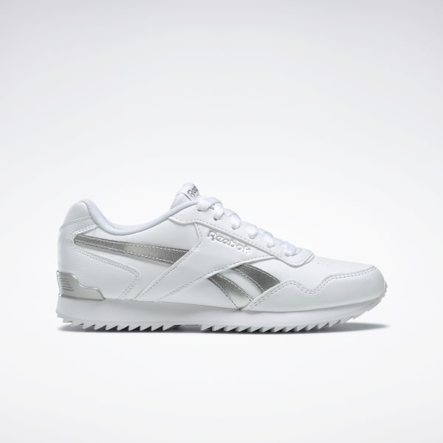 | REEBOK ROYAL GLIDE | WHITE/WHITE/SILVER | CLASSIC | FOOTWEAR | Shoes | UNISEX | ADULT | READY IN WAREHOUSE | 100 | $65.00
F99787 | 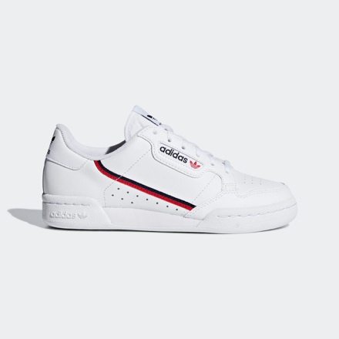 | CONTINENTAL 80 J | WHITE/WHITE | ORIGINALS | FOOTWEAR | Shoes | UNISEX | JUNIOR | READY IN WAREHOUSE | 284 | $60.00
GW4055 | 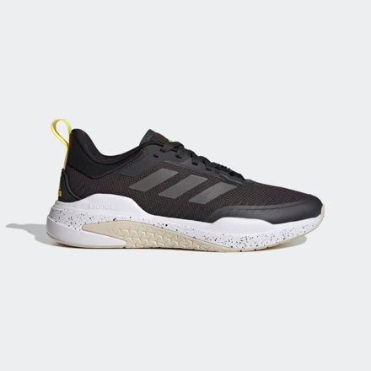 | TRAINER V | BLACK/WHITE/GREEN | TRAINING | FOOTWEAR | Shoes | UNISEX | ADULTS | READY IN WAREHOUSE | 300 | $65.00
GZ0637 | 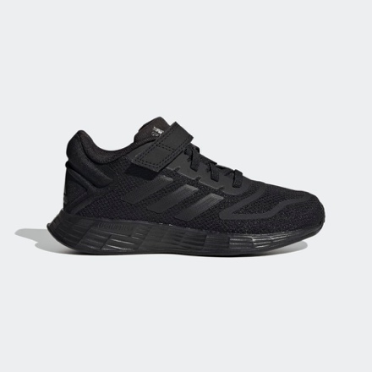 | DURAMO 10 EL K | BLACK/BLACK/BLACK | RUNNING | FOOTWEAR | Shoes | UNISEX | KIDS | READY IN WAREHOUSE | 600 | $50.00
GW3330 | 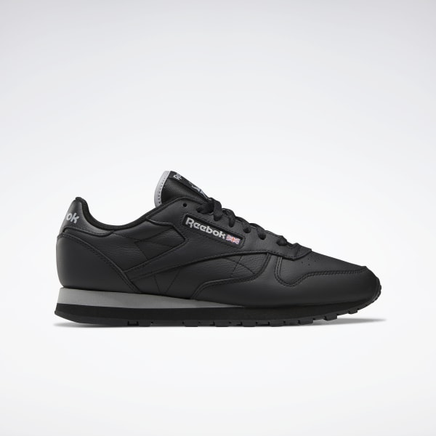 | CLASSIC LEATHER | BLACK/BLACK/BLACK | CLASSIC | FOOTWEAR | Shoes | UNISEX | ADULTS | READY IN WAREHOUSE | 200 | $70.00
EF0222 | 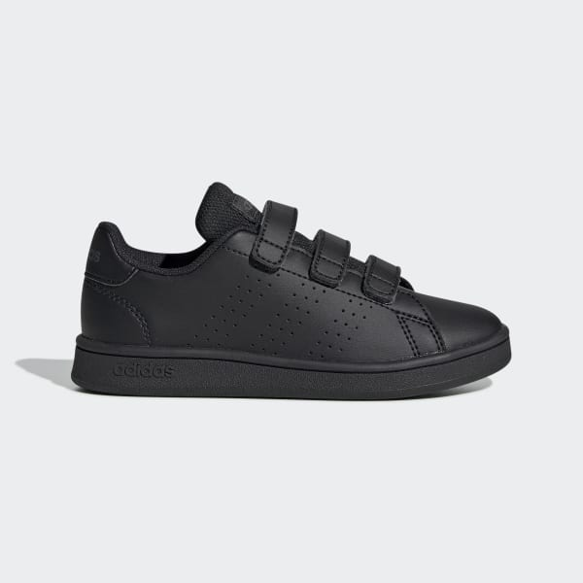 | ADVANTAGE C | BLACK/BLACK/BLACK |  | FOOTWEAR | Shoes | UNISEX | KIDS | READY IN WAREHOUSE | 88 | $40.00
EF0223 | 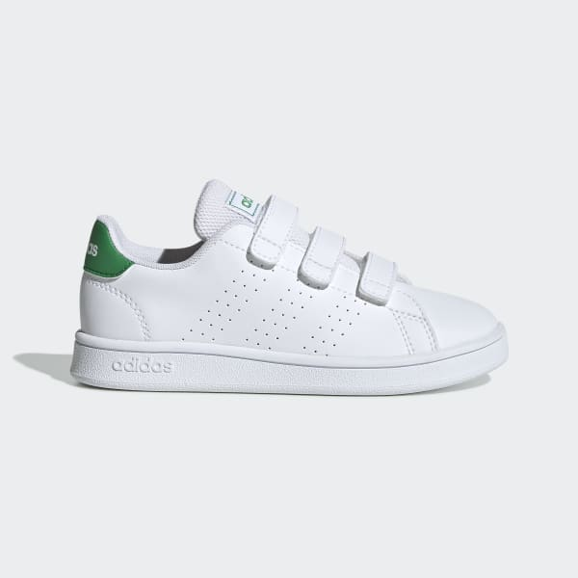 | ADVANTAGE C | WHITE/WHITE/GREEN |  | FOOTWEAR | Shoes | UNISEX | KIDS | READY IN WAREHOUSE | 150 | $40.00
EF0300 | 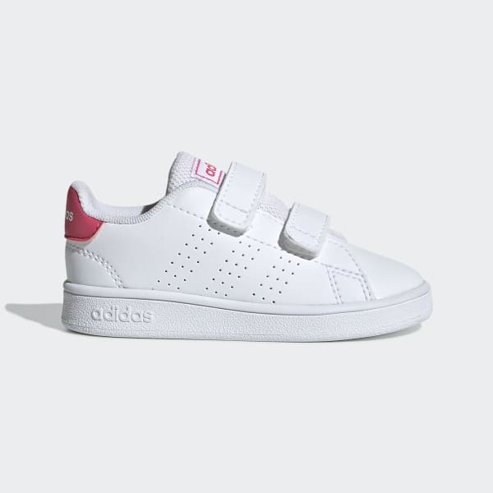 | ADVANTAGE I | WHITE/WHITE/PINK |  | FOOTWEAR | Shoes | UNISEX | INFANT | READY IN WAREHOUSE | 150 | $30.00
FU7712 | 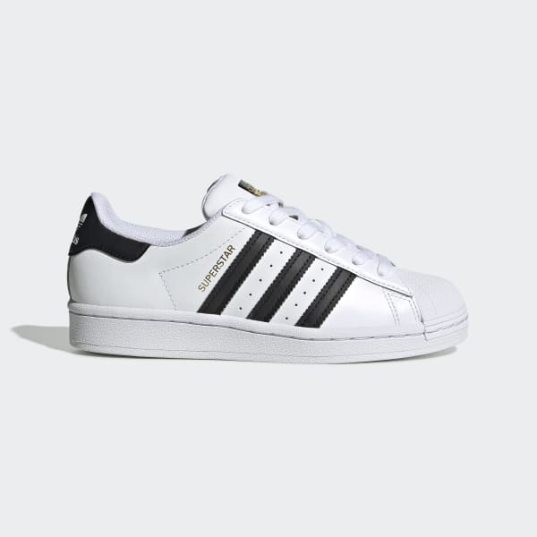 | SUPERSTAR J | WHITE/WHITE | ORIGINALS | FOOTWEAR | Shoes | UNISEX | JUNIOR | READY IN WAREHOUSE | 150 | $65.00
GW8346 | 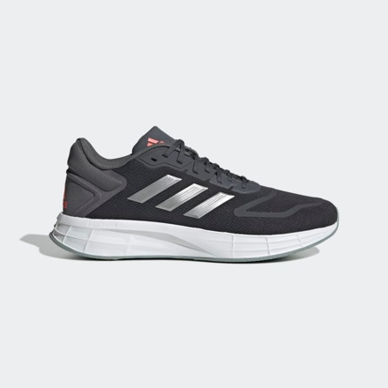 | DURAMO SL 2.0 | GREY/WHITE/ORANGE | RUNNING | FOOTWEAR | Shoes | MENS | ADULT | READY IN WAREHOUSE | 300 | $60.00
GX2977 | 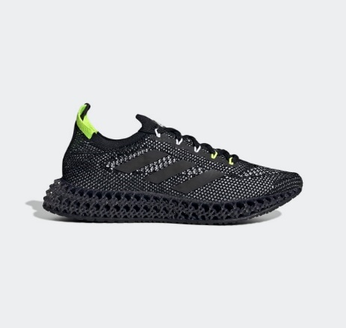 | 4D FWD | BLACK/GREEN | RUNNING | FOOTWEAR | Shoes | MENS | ADULT | READY IN WAREHOUSE | 320 | $200.00
 |  |  |  |  |  |  |  |  |  | 8934

